DACF ME Bldg.- Spaces & Fees
Space ID | Depth | Width | Approx. sq. foot* | Typical Group | Ability to participate in on-site work day prior to load-in time? | Number of Exhibit Days* | Product type suitability for space* | Rear wall | Side wall | Ability to combine with an adjacent space for larger booth? | Payment schedule. All non-refundable | Rates: Square foot, commission, or daily. | Estimated fixed rental fee*
1 | 13 | 11 | 143 | A - Interior | Yes- if paid in full by August 1 | 17 | Non-food | Mixed; wood | None | Unlikely | 50 %, July 1; 50% August 1 | $25.00 | $3,575.00
2 | 13 | 11 | 143 | A - Interior | Yes- if paid in full by August 1 | 17 | Non-food | Tongue & groove pine | Tongue & groove pine | Maybe | 50 %, July 1; 50% August 1 | $25.00 | $3,575.00
3 | 13 | 11 | 143 | A - Interior | Yes- if paid in full by August 1 | 17 | Non-food | Tongue & groove pine | Temporary divider; tongue & groove wood | Yes | 50 %, July 1; 50% August 1 | $25.00 | $3,575.00
4 | 13 | 11 | 143 | A - Interior | Yes- if paid in full by August 1 | 17 | Non-food | Tongue & groove pine | Tongue & groove pine; curtain nook | Yes | 50 %, July 1; 50% August 1 | $25.00 | $3,575.00
5 | 13 | 11 | 143 | A - Interior | Yes- if paid in full by August 1 | 17 | Non-food | Tongue & groove pine | Tongue & groove pine | Unlikely | 50 %, July 1; 50% August 1 | $25.00 | $3,575.00
6 | 13 | 11 | 143 | A - Interior | Yes- if paid in full by August 1 | 17 | Non-food | Tongue & groove pine | Tongue & groove pine | Unlikely | 50 %, July 1; 50% August 1 | $25.00 | $3,575.00
7 | 13 | 11 | 143 | A - Interior | Yes- if paid in full by August 1 | 17 | Non-food | Tongue & groove pine | Tongue & groove pine | Unlikely | 50 %, July 1; 50% August 1 | $25.00 | $3,575.00
8 | 21 | 40 | 840 | A - Interior | Yes- if paid in full by August 1 | 17 | Food, non-food | Mixed; brick & drywall | Temporary tongue & groove divider "fence" | No | 50 %, July 1; 50% August 1 | $25.00 | $21,000.00
9 | 13 | 15 | 195 | A - Interior | Yes- if paid in full by August 1 | 17 | Non-food | Brick | None | Maybe | 50 %, July 1; 50% August 1 | $25.00 | $4,875.00
10 | 13 | 11 | 143 | A - Interior | Yes- if paid in full by August 1 | 17 | Food, non-food | Brick | Mixed, drywall | Yes | 50 %, July 1; 50% August 1 | $25.00 | $3,575.00
11 | 13 | 11 | 143 | A - Interior | Yes- if paid in full by August 1 | 17 | Food, non-food | Brick | None | Yes | 50 %, July 1; 50% August 1 | $25.00 | $3,575.00
12 | 13 | 11 | 143 | A - Interior | Yes- if paid in full by August 1 | 17 | Food, non-food | Brick | Brick | Yes | 50 %, July 1; 50% August 1 | $25.00 | $3,575.00
13 (S-1) | 10 | 10 | 100 | Short term - B, C, D*, E | No - Must use short-term set up and dismantling options (i.e., evening before/morning of) | 6 | Food, non-food | Brick | Temporary divider wall; tongue & groove wood | Maybe | 75 %, July 1; 25% August 1 | $150.00 | $900.00
13 (S-2) | 10 | 10 | 100 | Short term - B, C, D*, E | No - Must use short-term set up and dismantling options (i.e., evening before/morning of) | 6 | Food, non-food | Brick | Temporary divider wall; tongue & groove wood | Maybe | 75%, July 1; 25% August 1 | $150.00 | $900.00
14 | 13 | 11 | 143 | A - Interior | Yes- if paid in full by August 1 | 17 | Food, non-food | Brick | Brick | Yes | 50 %, July 1; 50% August 1 | $25.00 | $3,575.00
15 | 13 | 11 | 143 | A - Interior | Yes- if paid in full by August 1 | 17 | Food, non-food | Brick | None | Yes | 50 %, July 1; 50% August 1 | $25.00 | $3,575.00
16 | 13 | 11 | 143 | A - Interior | Yes- if paid in full by August 1 | 17 | Food, non-food | Brick | None | Yes | 50 %, July 1; 50% August 1 | $25.00 | $3,575.00
17 | 13 | 11 | 143 | A - Interior | Yes- if paid in full by August 1 | 17 | Food, non-food | Brick | None | Yes | 50 %, July 1; 50% August 1 | $25.00 | $3,575.00
18 | 13 | 11 | 143 | A - Interior | Yes- if paid in full by August 1 | 17 | Food, non-food | Brick | None | Yes | 50 %, July 1; 50% August 1 | $25.00 | $3,575.00
19 | 13 | 11 | 143 | A - Interior | Yes- if paid in full by August 1 | 17 | Food, non-food | Brick | None | Yes | 50 %, July 1; 50% August 1 | $25.00 | $3,575.00
20 | 13 | 11 | 143 | A - Interior | Yes- if paid in full by August 1 | 17 | Food, non-food | Brick | None | Yes | 50 %, July 1; 50% August 1 | $25.00 | $3,575.00
21 | 13 | 11 | 143 | A - Interior | Yes- if paid in full by August 1 | 17 | Food, non-food | Brick | None | Yes | 50 %, July 1; 50% August 1 | $25.00 | $3,575.00
22 | 13 | 11 | 143 | A - Interior | Yes- if paid in full by August 1 | 17 | Food, non-food | Brick | Brick | Yes | 50 %, July 1; 50% August 1 | $25.00 | $3,575.00
O-1 | 10 | 20 | * | A - Exterior | Limited - cannot impede with grounds preparation | 17 | Food trucks, craft beverage, non-food | Not applicable | None | Varies | $2,000 fixed July 1; 10% commission Oct. 15 | $2,000.00 + 10% commission | $2,000.00
O-2 | 10 | 20 | * | A - Exterior | Limited - cannot impede with grounds preparation | 17 | Food trucks, craft beverage, non-food | Not applicable | None | Varies | $2,000 fixed July 1; 10% commission Oct. 15 | $2,000.00 + 10% commission | $2,000.00
O-3 | 10 | 20 | * | A - Exterior | Limited - cannot impede with grounds preparation | 17 | Food trucks, craft beverage, non-food | Not applicable | None | Varies | $2,000 fixed July 1; 10% commission Oct. 15 | $2,000.00 + 10% commission | $2,000.00
O-4 | 10 | 20 | * | A - Exterior | Limited - cannot impede with grounds preparation | 17 | Food trucks, craft beverage, non-food | Not applicable | None | Varies | $2,000 fixed July 1; 10% commission Oct. 15 | $2,000.00 + 10% commission | $2,000.00
O-5 | 10 | 20 | * | A - Exterior | Limited - cannot impede with grounds preparation | 17 | Food trucks, craft beverage, non-food | Not applicable | None | Varies | $2,000 fixed July 1; 10% commission Oct. 15 | $2,000.00 + 10% commission | $2,000.00
Front lawn | 10 | 10 | 100 | E - (Single Day)* | No. Only day of (before Building opens and after it closes - or at dusk if exterior). | 1 | Non-food, food | Not applicable | None | Varies | 100% Due April 1 | $150.00 | $150.00

* For reference only. Estimates may not reflect invoice amount. If awarded space, the total amount owed is based up on the final booth(s) assignment. Estimates exclude additional services and amenities that Exhibitor may need to manage inventory.
Exhibitors may be subject to further approval/oversight by Town and/or Fair officials, including permits, licensing, health and safety, display, etc.
Space assignments are made at the discretion of the Department. Exhibitors are responsible for complying with the Exhibitor Terms and Conditions.

Diagram And Grounds Map
Maine Building Diagram and Eastern States Exposition Fairgrounds aerial view.
For reference only. Numbering/names may vary. Please refer to Exhibitor resources on webpage and terms and conditions for details. *May be subject to further approval/oversight by Town and/or Fair officials for life and safety.

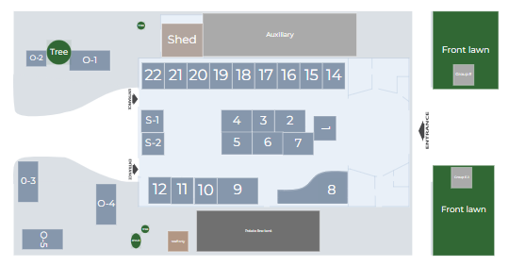

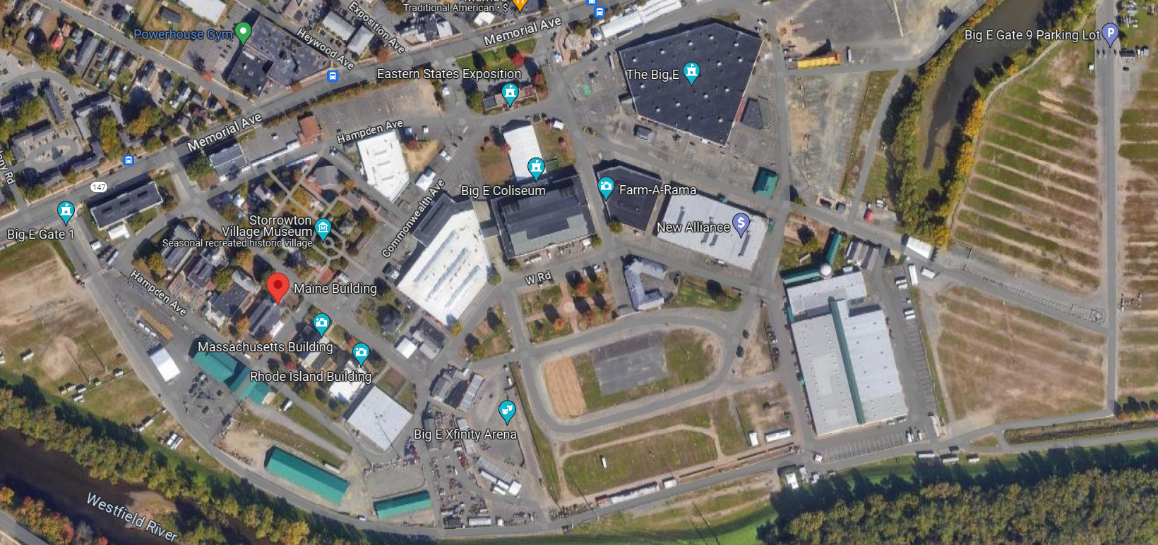
Birdseye satellite image of the ESE fairgrounds

